Figma design
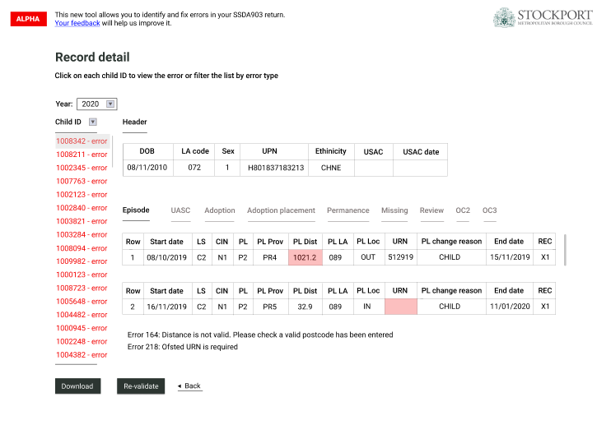
The current Figma design: | https://www.figma.com/file/tPGzr4NebhFs84QJOqRXzU/Better-Children-in-Care-Application-Design?node-id=271%3A0

This is the basic layout where the user has selected to view 2020 data and clicked on the second Child ID on the list
Clicking on each button next to Episode will result in replacing the episode information with information of the module the user has selected
Error message is displayed below the modules. The Ofsted database will be used to suggest the correct answer (or state that the particular record cannot be found)
Motherhood status and DOB of first child still needs to be added to the Header section, whereas the current Episode section misses out a data field (Reason for New Episode or RNE)

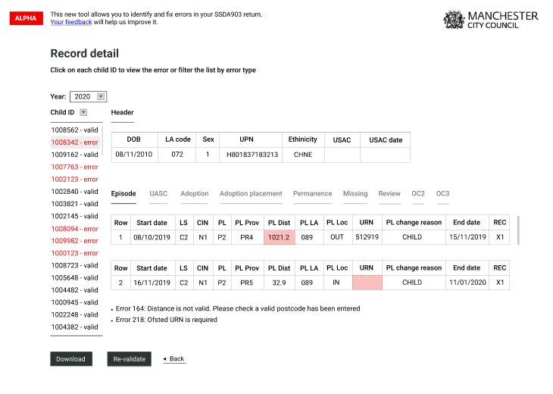

This is an illustration of the filter when the user clicks on the filter button next to the Child ID
Typing on the Child ID search bar will return the specific Child ID that the user is searching for
Clicking on each row of the error summary will return the Child ID specific to the error message
The user can also click on "No error" where he/she will see a list of Child ID with no errors

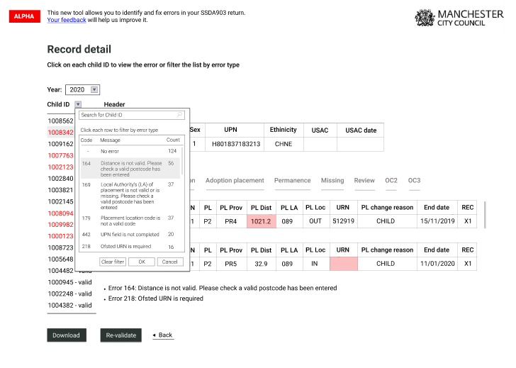

When the user filters by Error 164, this appears:

Error report
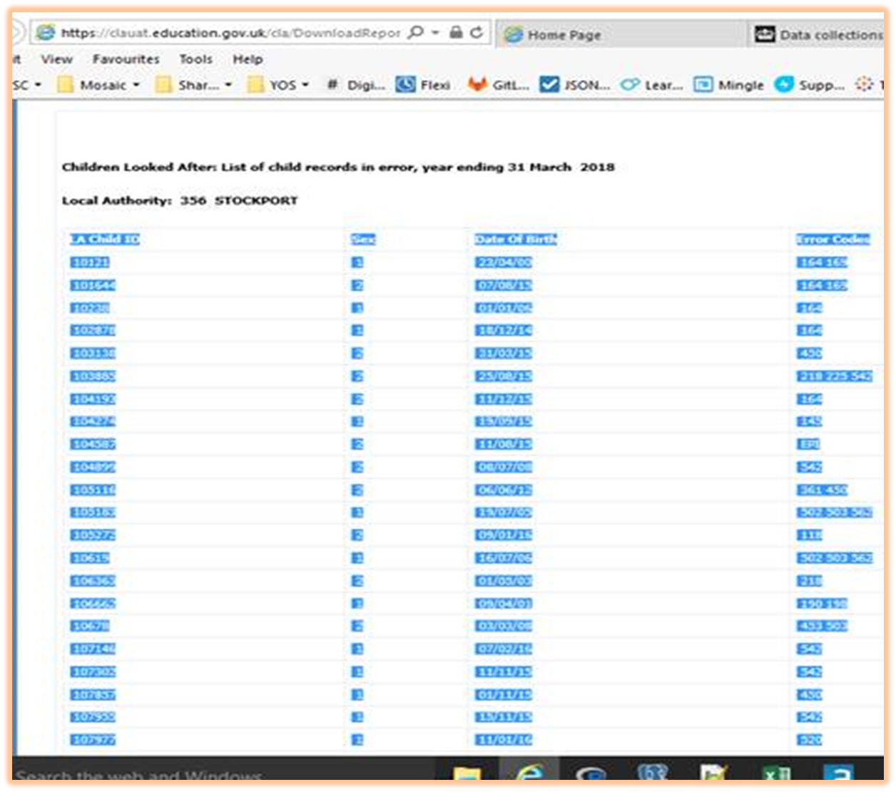
What we know from user research:
There are 7 reports that are available for users to download from the DfE system, of which 2 are deemed to be highly useful
The first is a summary of validation check failures and the second is list of children with error codes
The summary of validation check failures is what we are looking to implement as a filter for users next to the Child ID
The list of children with error codes is a list of ChildID and associated information with an additional column at the end that contains all the errors (ChildID 10121 has errors 154, 231, 119)
A suggestion is to break down each error into an individual line, so that users can filter ChildID by that error column (For example, ChildID 10121 has error 154 and then a separate row with the same ChildID 10121 but this time display error 231, and so on)

1. summary of validation check failures

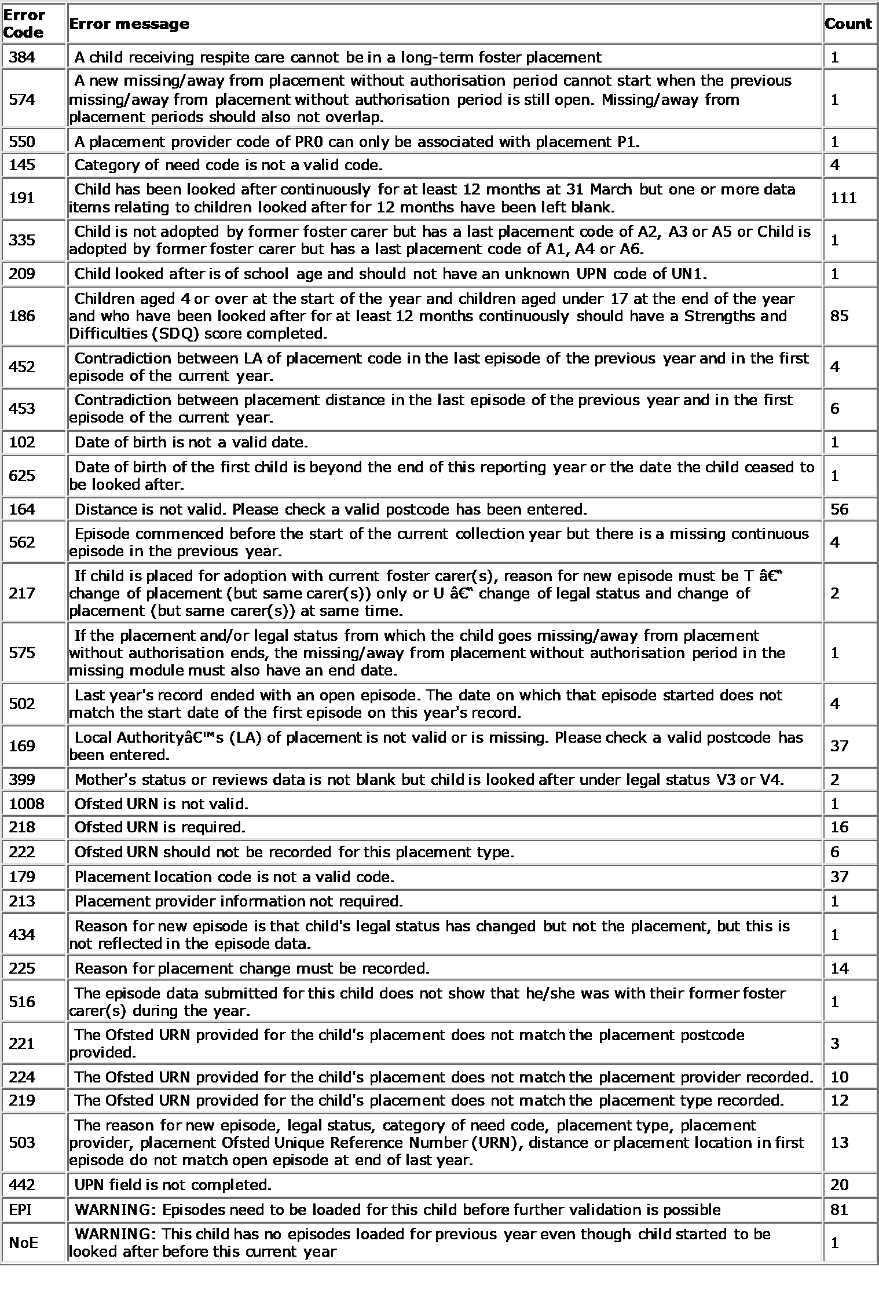

2. List of children with error codes

